Sheet1
Brand | Styles_Extended | Age | Description | MSRP | Color | Shoe Size Small 5-9 | Shoe Size Medium 9-3 | Shoe Size Large 4-10 | Total | Photo(s)
Minicci | 4674 | Girls | Frilly Cuff Socks | $2.99 | White | 42,000 |  |  | 42,000 | 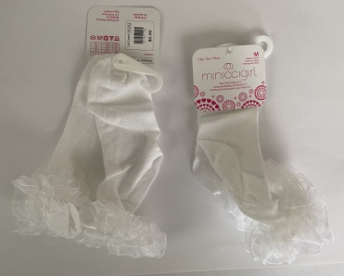
Minicci | 4678 | Girls | Frilly Cuff Socks | $2.99 | White |  | 86,640 |  | 86,640
Minicci | 4679 | Girls | Frilly Cuff Socks | $2.99 | White |  |  | 21,960 | 21,960
 |  |  |  |  |  |  |  |  | 150,600 | Grand Total

